Cover Page
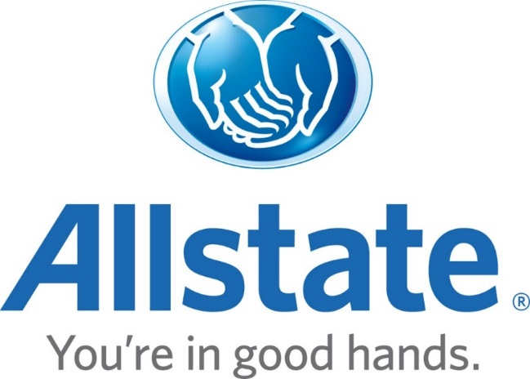

The Allstate Corporation

2017 and 2016 Consolidating Segment Results

